Core Licensing Matrix
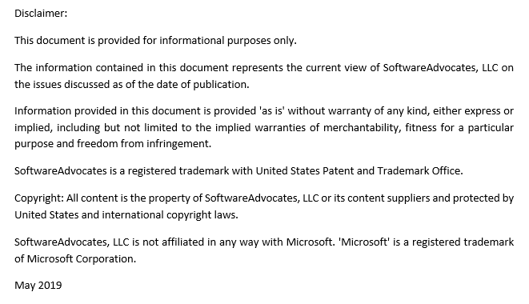
Licensing Physical Servers for Windows Server 2019 Datacenter & Standard Editions

Microsoft Server 2019 minimum core license requirements for Datacenter & Standard Editions:
All physical cores must be licensed
8 cores per processor
16 cores per server

How to Count Cores
Total Core Licenses Required
 | Physical Cores per CPU
CPU | 1 | 2 | 4 | 6 | 8 | 10 | 12 | 14 | 16 | 18 | 20 | 22 | 24 | 26 | 28 | 30 | 32 | 34 | 36 | 38 | 40
1 | 16 | 16 | 16 | 16 | 16 | 16 | 16 | 16 | 16 | 18 | 20 | 22 | 24 | 26 | 28 | 30 | 32 | 34 | 36 | 38 | 40
2 | 16 | 16 | 16 | 16 | 16 | 20 | 24 | 28 | 32 | 36 | 40 | 44 | 48 | 52 | 56 | 60 | 64 | 68 | 72 | 76 | 80
4 | 32 | 32 | 32 | 32 | 32 | 40 | 48 | 56 | 64 | 72 | 80 | 88 | 96 | 104 | 112 | 120 | 128 | 136 | 144 | 152 | 160

Windows Server 2019 Datacenter and Standard editions are sold in 2-core and 16-core license packs
How to Buy in 2-Core License Packs
Total Core Licenses Required in 2-Core License Packs
 | Physical Cores per CPU
CPU | 1 | 2 | 4 | 6 | 8 | 10 | 12 | 14 | 16 | 18 | 20 | 22 | 24 | 26 | 28 | 30 | 32 | 34 | 36 | 38 | 40
1 | 8 | 8 | 8 | 8 | 8 | 8 | 8 | 8 | 8 | 9 | 10 | 11 | 12 | 13 | 14 | 15 | 16 | 17 | 18 | 19 | 20
2 | 8 | 8 | 8 | 8 | 8 | 10 | 12 | 14 | 16 | 18 | 20 | 22 | 24 | 26 | 28 | 30 | 32 | 34 | 36 | 38 | 40
4 | 16 | 16 | 16 | 16 | 16 | 20 | 24 | 28 | 32 | 36 | 40 | 44 | 48 | 52 | 56 | 60 | 64 | 68 | 72 | 76 | 80

Stacking Windows Server Standard Edition Core Licenses to License Virtual Machines (VMs) is not covered by this document

